main
Analyses App layers to HAL layer - Layer 1

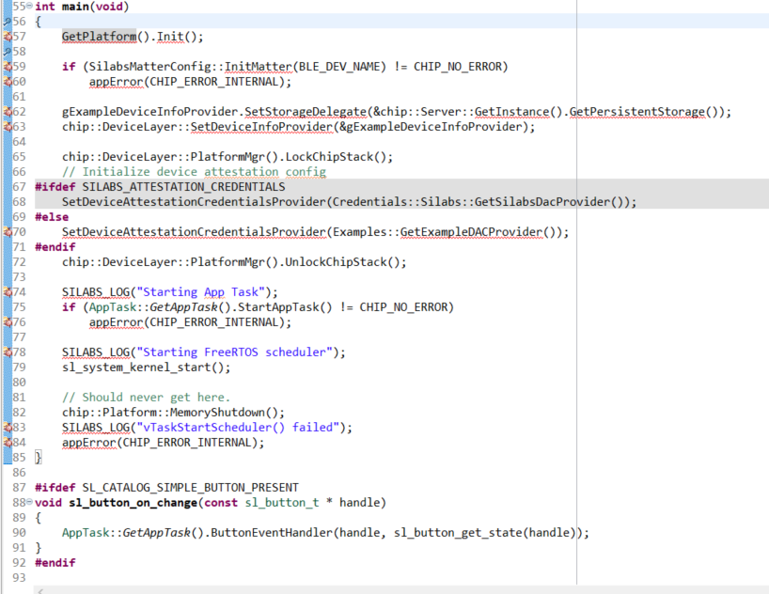

 | GetPlatform().Init()

GetPlatform().Init()
 | SilabsPlatform.h | Analyses App layers to HAL layer - Layer 2

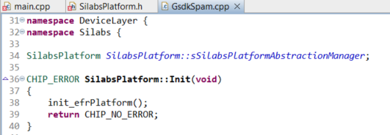
When calling the GetPlatform.init in the main function it jumps to line 58 in SilabsPlatform.h. So I think in line 44 there was made the GetPlatform function accesible withing the private class and then with line 58 in this context, the function is "pointing" to the sSilabsPlatformAbstractionManager object by returning a reference to it. This allows code to access and modify the object directly without having to create a copy of it. With that reason we can call the init function of SilabsPlatform class

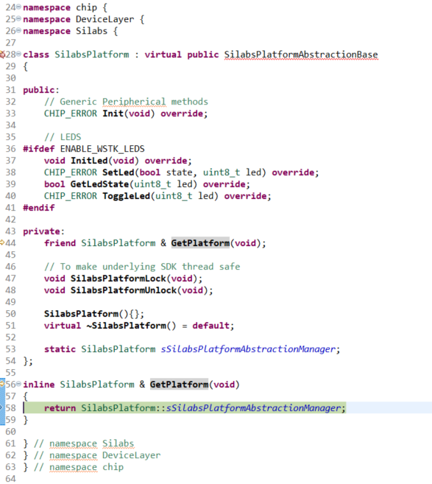

 |  |  | init_efrPlatform

init_efrPlatform()
Analyses App layers to HAL layer - Layer 3

init_efrPlatform is the layer where the system silabs system is getting initialized

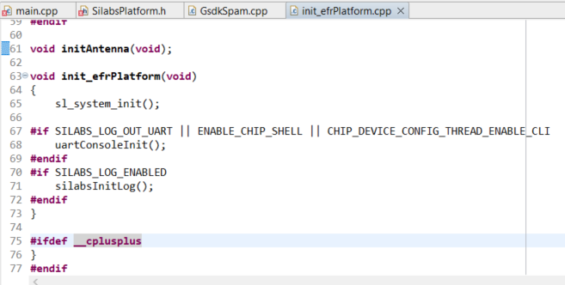

 | sl_system_init()

sl_system_init()
Analyses App layers to HAL layer - Layer 4

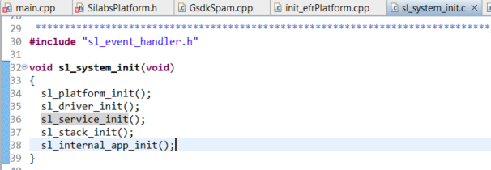

 | sl_driver_init()

System Init provides a function for initializing the system and the products:

- sl_system_init().

This function calls a set of functions that are automatically generated
and located in `autogen/sl_event_handler.c`. Handlers can be registered
for the following events using the Event Handler API provided by the
Event Handler component:

- platform_init -> sl_platform_init()
- driver_init -> sl_driver_init()
- service_init -> sl_service_init()
- stack_init -> sl_stack_init()
- internal_app_init -> sl_internal_app_init()

These events are fired in the order listed above when `sl_system_init()` is called.

sl_driver_init()
Analyses App layers to HAL layer - Layer 5

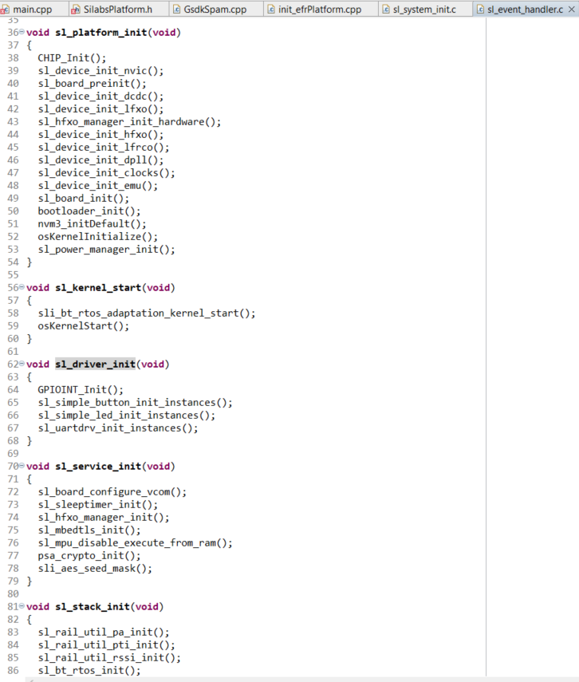
 | In file all the functions are listed that does the different module initialisation

 | sl_simpl_button_init_instances()

sl_simpl_button_init_instances(
Analyses App layers to HAL layer - Layer 6

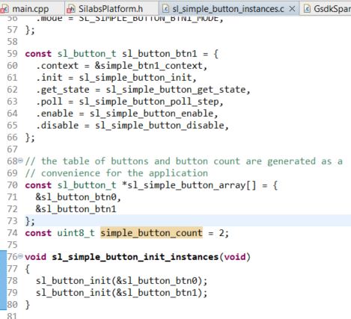
In this file the instances getting set and the button initializing functions getting called

In this constant structure there is giving a context with the port location and the pin number.
All the rest of the members are function pointers.

 | sl_button_init()

sl_button_init()
Analyses App layers to HAL layer - Layer 7

When this function is called it calls the member function init of the instance handle

 | handle -> init

sl_simple_button_init()
Analyses App layers to HAL layer - Layer 8

 | sl_simple_button.c

sl_simple_button_init:
This function sets the GPIO of the button at line 80, then it gets the state at line 85. After that the function checks if the interrupt mode is set at line 87, when its set, the interrupt going to be activated with the GPIOINT_Init() function.
Then its setting the Interrupt callback (sli_simple_button_on_change) function using the function GPIOINT_CallbackRegisterExt at line 89. This function will register a state change on the giving pin number and context (button information). And at last the External Interrupt is going to be configured using the GPIO_ExtIntConfig() function.
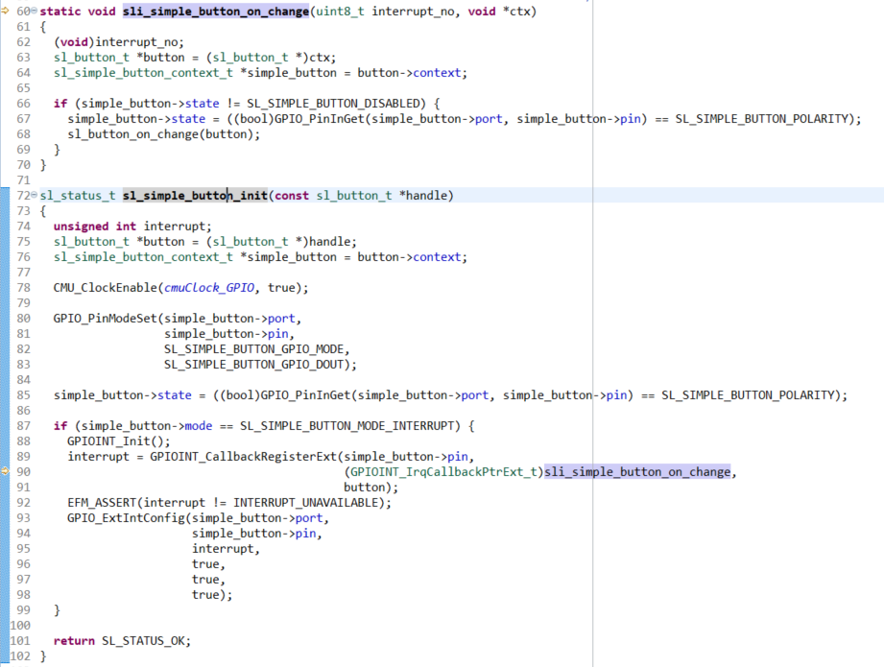

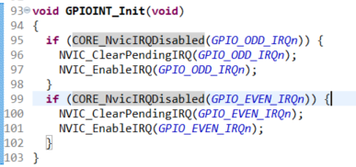

sli_simple_button_on_change: This is the callback funtion that was set earlier. So when there is a External Interrupt on the configured pin, this function is called. First all the instances are set, then its going to check if the button is enabled at line 66. If the button is enabled the state of the pin is getting updated by the function GPIO_PinInGet(). The last function that is getting called is the sl_button_on_change(button), this is an interresting function!

GPIO_PinInGet()

GPIO_PinInGet()
Analyses App layers to HAL layer - Layer 9

 | em_gpio.h

This function uses the BUS_RegBitRead() function to read the pad value for a single pin in a GPIO port. It returns a binairy value.

BUS_RegBitRead()

BUS_RegBitRead()
Analyses App layers to HAL layer - Layer 10

This function uses Cortex-M bit-banding hardware to perform an atomic
read operation on a single register bit. See the
reference manual for more details about bit-banding.
@note
This function is atomic on Cortex-M cores with bit-banding support.
Peripheral register bit-banding is performed using the memory alias
region at BITBAND_PER_BASE.
@param[in] addr A peripheral register address.
@param[in] bit A bit position to read, 0-31.
@return
The requested bit shifted to bit position 0 in the return value.
 | em_bus.h

